Decision
Hydrographic survey equipment shortlist for Maldives
Decision date: 14 Aug 2026 | Primary-system ranking for IHO S-44 outcomes and Category B practice | Public-price data is RFQ only

Maldives-weighted shortlist score (0 to 100)
Recommended decision |  |  |  |  |  |  |  | Candidate | Weighted score
Decision point | Recommendation |  |  |  |  |  |  | WINGHEAD X Long Range | 96.8
Primary purchase | NORBIT WINGHEAD X Long Range, fully configured with 1024 beams, dual swath, SBG Apogee or OceanMaster INS, active pitch/yaw options, BSO, DCT and PORTUS pole. |  |  |  |  |  |  | Kongsberg EM 2042 | 92.0
Alternate quote | Request WINGHEAD X Standard on the same quote. Choose Standard if at least 95% of planned work is under 100 m and the Long Range price uplift exceeds 15%. |  |  |  |  |  |  | Kongsberg EM 2040P MKII | 88.8
Premium alternative | Kongsberg EM 2042 when the priority is maximum data density, future expansion, mature support and the most defensible premium workflow. |  |  |  |  |  |  | R2Sonic Sonic 2024-V PLUS | 88.2
Proven portable alternative | Kongsberg EM 2040P MKII when a rugged, rental-friendly workboat package is preferred and two-person handling is acceptable. |  |  |  |  |  |  | R2Sonic Sonic 2026-V PLUS | 83.9
Value pilot | CHCNAV HN-400M only after a side-by-side sea trial, signed tropical limits, local support SLA and successful S-44 Special test over a reference area. |  |  |  |  |  |  | SeaBat T20-ASV + Intrepid | 83.6
Platform strategy | Start on a 6 to 9 m local workboat with engineered rigid pole. Add a compact USV in phase 2 for sheltered lagoons, not as the only platform. |  |  |  |  |  |  | SeaBat T51-R | 83.5
Survey target | Specify a whole system capable of S-44 Special in critical harbors and reef passages, and Order 1a for general lagoon and coastal work. |  |  |  |  |  |  | CHCNAV HN-400M | 81.9
 |  |  |  |  |  |  |  | GeoAcoustics GeoMB 401 | 74.8
Why this decision fits Maldives |  |  |  |  |  |  |  | WASSP S3PR | 71.9
Constraint | Evidence | Procurement response | Failure if ignored | Primary pick advantage | Acceptance gate | Source IDs | Owner
Very shallow coral heads | Reefs, patch reefs, faros and knolls occur throughout atolls | 0.2 m minimum range, high frequency detail, wide sector, safe pole and route planning | Missed shoals or reef strike | 0.2 m minimum, 700 kHz mode, up to 210° sector | Detect agreed 1 m cube at project depth and meet TPU | S002, S007 | Survey lead | Decision cautions
Dispersed islands | About 1,190 islands over an 823 km chain | One-case mobilisation, local workboat compatibility, field-replaceable parts | High freight and downtime | 8.5 kg head and low-power integrated system | Two-person island transfer drill and <2 h mobilisation | S007, S022 | Operations | 1 | Category B is a personnel competency standard under S-5B. It does not certify equipment.
Monsoon motion | Wet southwest monsoon can bring rough or very rough seas | High-grade INS, active stabilisation, weather limits and check lines | Motion artefacts and unsafe operations | Strong published INS and active roll/pitch/yaw options | Patch test plus crossline limits in representative chop | S009, S022 | Party chief | 2 | S-44 compliance belongs to the achieved dataset and whole survey system. Vendor brochure claims are screening evidence only.
Patchy GNSS corrections | Universal public CORS access is not verified | Own base/rover, RTK plus PPK and satellite correction fallback | Loss of centimetre positioning | Integrated raw GNSS/INS supports RTK and PPK | 24 h base and PPK recovery test | S013, S014, S047 | Geodesy lead | 3 | No reviewed manufacturer publishes a usable turnkey list price. Compare normalized RFQs in the Quote and TCO sheet.
Warm variable water column | Local and regional CTD data show warm water and vertical/monsoon variability | Surface SV plus full-depth SVP casts and refraction QC | Depth bias and outer-beam refraction | Integrated face SV plus open workflow for full profiles | Reciprocal-line and refraction test after SV change | S045, S057, S058 | Processor | 4 | S-5B Edition 2.0.0 is still a draft on 14 Aug 2026, with voting due to close 17 Aug 2026. Recheck before tender issue.
Microtidal but datum-critical | Malé mean tidal range about 0.531 m; only regional gauges | Local tide gauge, benchmark tie and ERS option | Datum error consumes Special Order budget | Compatible with GNSS tide/ERS workflow | 24 h tide comparison and closed benchmark loop | S010-S012, S046 | Geodesy lead | 5 | This workbook is a procurement decision aid, not a tender specification, survey authorization or hydrographic certification.

Product gallery
Top 10 product gallery
Official manufacturer images for rapid visual comparison. Pictures identify the product family; quoted configurations may include additional processors, INS, cables, mounts and software.
Image assets were verified on 14 Aug 2026. Direct image URLs are recorded in the Sources sheet as S068 to S078.
#1 NORBIT WINGHEAD X Long Range |  | #2 Kongsberg EM 2042
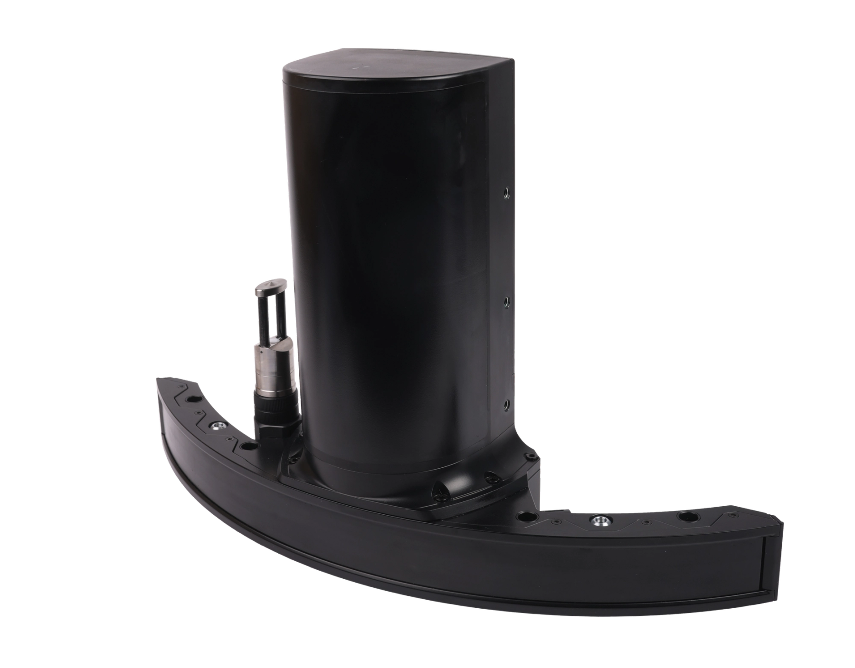 |  | 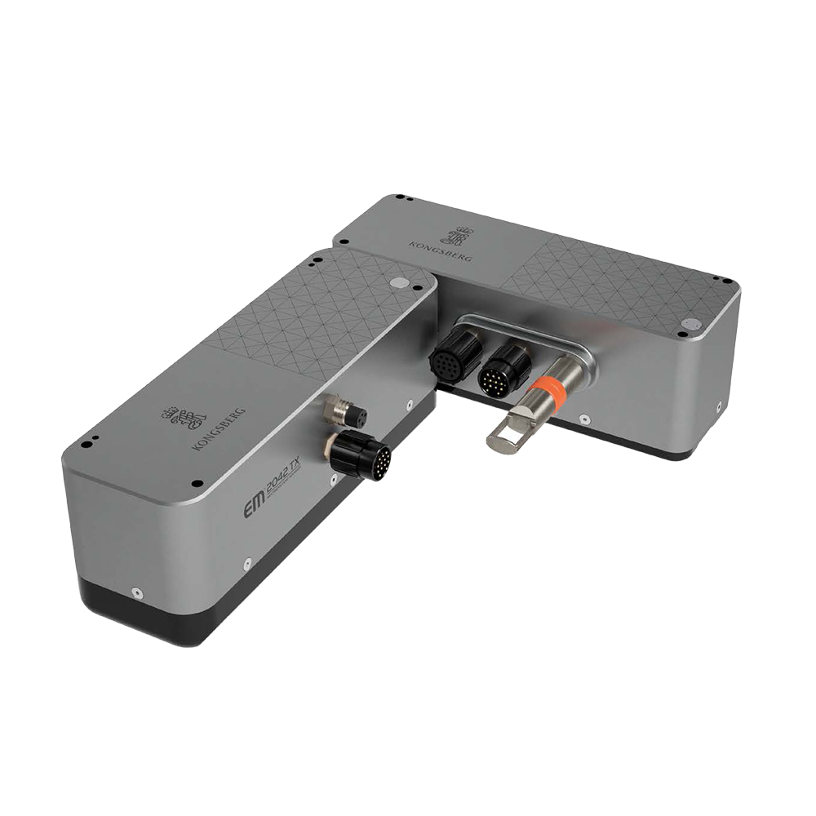

Why choose | Highest Maldives-weighted score, 0.2 to 600 m reach, one-case mobilisation, strong motion and software options, and useful 700 kHz detail. | Why choose | Select when support depth, data density, proven hydrographic workflows and future dual-array expansion outweigh size and cost.

Maldives fit | Best balance for shallow coral heads, 30 to 80 m lagoons, reef passages and deeper channel work. Low mass and DC power suit local workboats and later USV use. | Maldives fit | Best premium ecosystem for defensible critical-channel, harbor and reef work, with 150 kHz reach and 700 kHz detail.

Official image S068 | Product page: https://norbit.com/api/file/PS-250008-4_WINGHEAD%20X_A4.pdf |  | Official image S069 | Product page: https://www.kongsberg.com/globalassets/kongsberg-discovery/seafloor-mapping/em-multibeams/em2042/media/496233ac_em2042_data_sheet.pdf
#3 Kongsberg EM 2040P MKII |  | #4 R2Sonic Sonic 2024-V PLUS
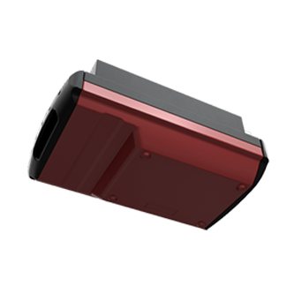 |  | 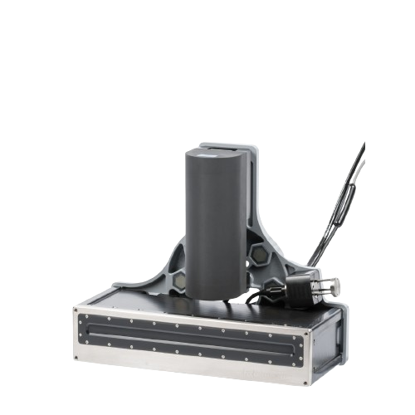

Why choose | Choose if a mature rental-friendly portable Kongsberg package matters more than one-person handling. | Why choose | Best feature-mode mix after NORBIT and Kongsberg, with mature support and a defined integrated package.

Maldives fit | Excellent proven workboat package for lagoons, ports and reef passages. Rugged, but heavier and more power hungry for small USVs. | Maldives fit | Strong for coral detail, ports and infrastructure inspection while retaining 170 kHz reach and rich backscatter/water-column modes.

Official image S070 | Product page: https://www.kongsberg.com/globalassets/kongsberg-discovery/seafloor-mapping/em-multibeams/documents/437136aj_em2040p_mk2_data_sheet.pdf |  | Official image S071 | Product page: https://r2sonic.com/products/sonic-2024/
#5 R2Sonic Sonic 2026-V PLUS |  | #6 Teledyne RESON SeaBat T20-ASV + Intrepid
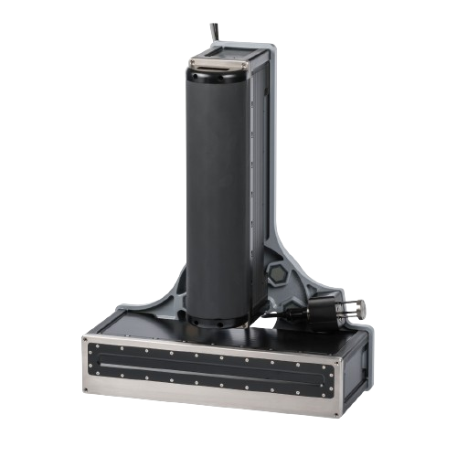 |  | 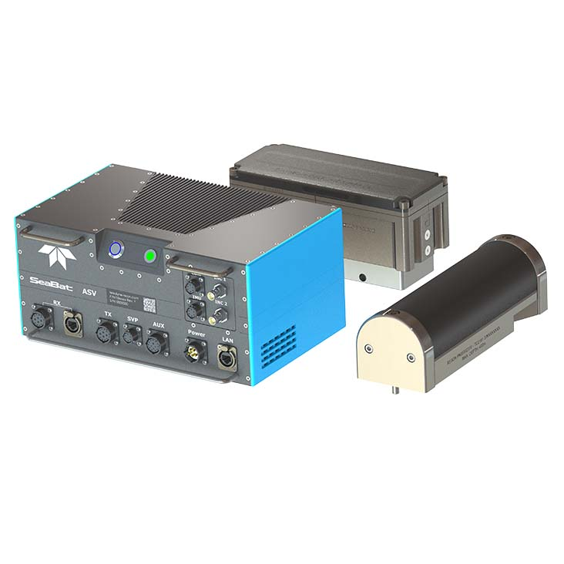 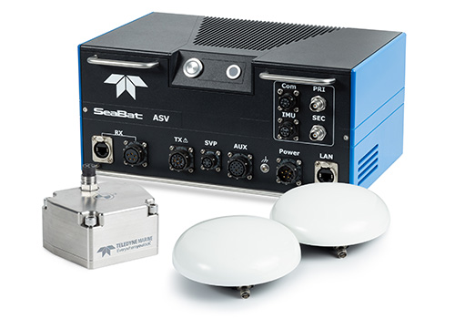

Why choose | Choose only if recurring work beyond 500 to 600 m or advanced FLS/multispectral use justifies size and cost. | Why choose | Choose for Teledyne ecosystem, mature S7K workflow and 575 m class capability without T51 cost.

Maldives fit | Useful for atoll slopes and deeper passes while retaining reef-detail modes, but the split wet-end is heavy for rapid island hopping. | Maldives fit | Good depth reach and mature workflow for workboats or medium USVs. Processor heat and IP21 enclosure need careful tropical installation.

Official image S072 | Product page: https://r2sonic.com/products/sonic-2026/ |  | Official image S073-S074 | Product page: https://www.teledynemarine.com/en-us/products/SiteAssets/RESON/SeaBat%20T20-ASV%20Product%20Leaflet.pdf
#7 Teledyne RESON SeaBat T51-R |  | #8 CHCNAV HN-400M
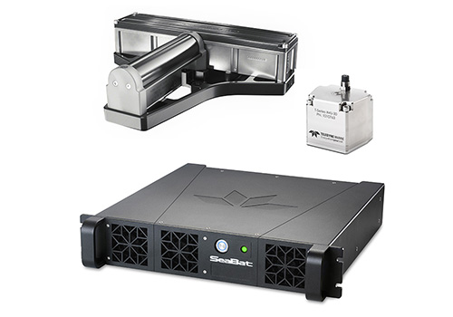 |  | 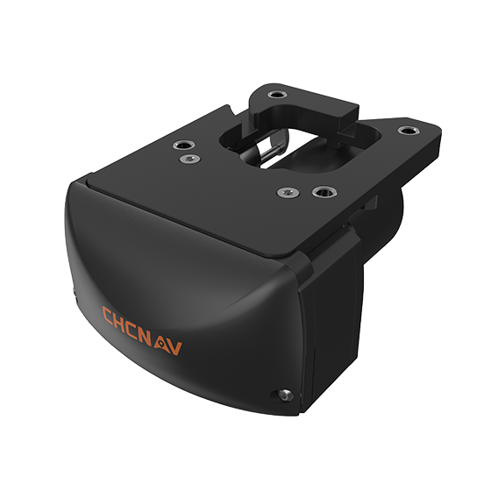

Why choose | Choose when very fine 800 kHz detail and optional dual-head vertical coverage directly earn revenue. | Why choose | Best value-focused pilot candidate if a local demonstration proves heading, support and software workflow.

Maldives fit | Best specialist for coral heads, wrecks, quays and wall/reef-face coverage. Less attractive as a first portable system due weight, AC and 300 m limit. | Maldives fit | Excellent island-to-island portability and power profile for shallow lagoons and channels up to 200 m.

Official image S075 | Product page: https://www.teledynemarine.com/en-us/products/SiteAssets/RESON/RESON%20SeaBat%20T51-R%20Product%20leaflet.pdf |  | Official image S076 | Product page: https://geospatial.chcnav.com/dam/jcr%3A2da04be0-bcd5-4c92-9138-1cea5b506a66/HN-400M_DS_EN.pdf
#9 GeoAcoustics GeoMB 401 |  | #10 WASSP S3PR
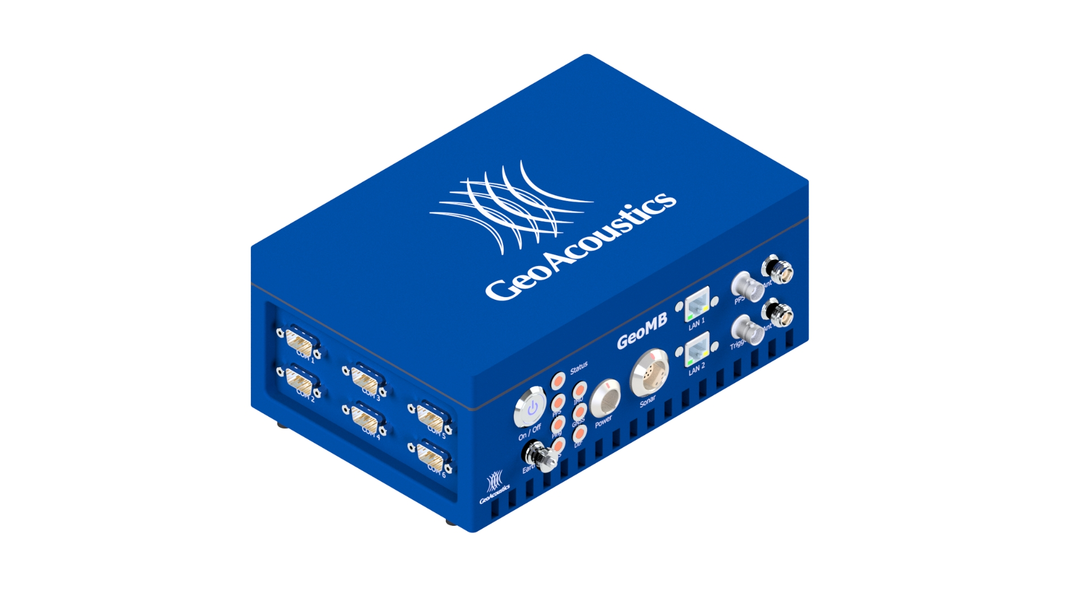

Why choose | Consider when quote is materially lower than top-tier systems and the vendor accepts strong FAT/SAT and loaner obligations. | Why choose | Choose if turnkey simplicity and quote value dominate, and clients accept demonstrated Order 1a rather than Special/Exclusive ambitions.

Maldives fit | Promising shallow-to-medium lagoon package with compact logistics, but not yet proven enough for first-choice award without comparative sea trial. | Maldives fit | Strong logistics and training value for Order 1a lagoon/coastal work. Lower beam density and 4° along-track beam reduce coral-object detail.

Official image S077 | Product page: https://www.geoacoustics.com/products-main-geomb-401 |  | Official image S078 | Product page: https://wassp.com/products/s3pr

